1. Title Page
Grocery Basket Analysis

Project Name: Grocery Basket Analysis
Date: 3-10-2024
Analyst Name: Yevgeniya Kobtseva

Contents:
Population Flow
Consistency checks
Wrangling steps
Column derivations
Visualizations
Recommendations

2. Population Flow
 |  |  |  |  |  |  | Title page

Population flow

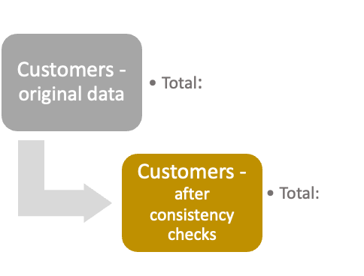
Exclusion flag
Condition: max_order <
Obervations to be removed:
Final total count of order_products_all:
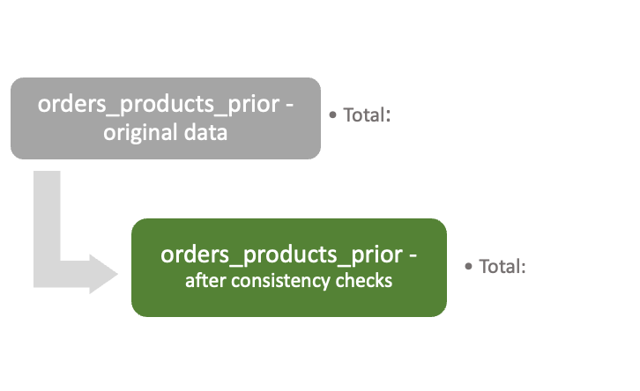
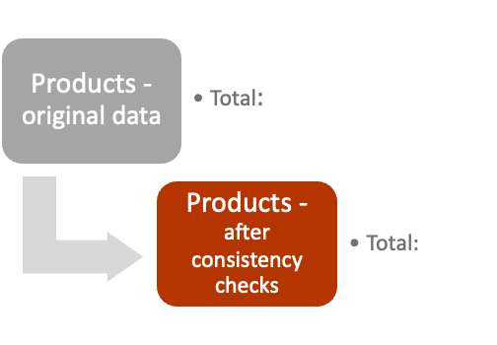
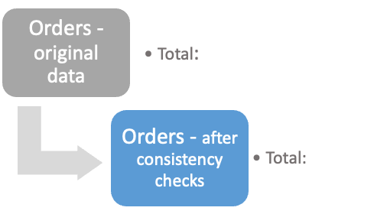

3 421 083 |  | 3 2434 489 |  | 49 693 | 206 209

 |  | 3 2434 489
3 421 083 |  |  |  |  | 206 209
 |  |  |  | 49 672

Orders_products_combined
Orders_products_merged
Orders_products_all

Total:
Total:
Total:
 |  |  |  |  |  | 33 406 041
 | 32 434 489 |  | 32 406 041
1.) The grey boxes in the first row of the population flow represent the original data sets as they were when you downloaded them. In the Total fields you need to add the count of the rows when you imported the data set into Jupyter.
2.) The second row of boxes (coloured) represents the data sets after you manipulated them, e.g., removed missing values and duplicates. In the Total fields you need to add the count of the rows after conducting these operations. This offers a visual oveview of how the data flows throughout the data consistency checks.
3.) The third row, where also the arrows are coloured, represents the merges you performed between the datasets. In the Total fields you need to add the count of the rows in the merged datasets, so that you end up with the final dataset (in the red box). Keep in mind the final dataset should be without exclusions (based on the exclusion flag).

3. Consistency checks
 |  |  |  | Title page
Consistency checks

Dataset | Missing values | Missing values treatment | Duplicates
orders | 0 | - | 0
products | product_name 16 | deleted 16 rows | 5
orders_products_prior | 0 | - | 0
customers | First Name 11259 | ignore, as user id is present | 0

4. Wrangling steps
 |  |  |  | Title page
Wrangling steps

Columns dropped | Columns renamed | Columns' type changed | Comment/Reason
 | order_dow (orders table) |  | new - orders_day_of_week
first_name |  |  | As user_id is present
second_name

5. Column derivations
 |  |  |  | Title page

Column derivations and aggregations

In this tab you should add tables below that the frequences of flags/label variables that you produced after deriving them. NB: don't do this for continuous variables, only for flags.
Dataset | New column | Column/s it was derived from | Conditions
df_ords_prods_merge_new_variable | loyalty_flag | max_order | ['max_order'] > 40, 'loyalty_flag'] = 'Loyal customer' ['max_order'] <= 40) & (df_ords_prods_merge_new_variable['max_order'] > 10), 'loyalty_flag'] = 'Regular customer' ['max_order'] <= 10, 'loyalty_flag'] = 'New customer'
df_ords_prods_merge_new_variable | Spending_flag | prices_mean | ['prices_mean'] < 10, 'Spending_flag'] = 'Low spender' ['prices_mean'] >= 10, 'Spending_flag'] = 'High spender'
df_ords_prods_merge_new_variable | Frequency_flag | days_SPO_median | ['days_SPO_median'] > 20, 'Frequency_flag'] = 'Non-frequent customer' ['days_SPO_median'] <= 20) & (df_ords_prods_merge_new_variable['days_SPO_median'] > 10), 'Frequency_flag'] = 'Regular customer' ['days_SPO_median'] <= 10, 'Frequency_flag'] = 'Frequent customer'
merge_4_9 | Region | state | based on the list https://simple.wikipedia.org/wiki/List_of_regions_of_the_United_States
df_merge | profiling_variable_1 | department_id, n_dependants, income, age | ['age'] <= 30 )& (['income'] <= 30000 )& ['n_dependants'] == 0)& (['department_id'] == 1)| (['department_id'] == 7), 'profiling_variable_1' ] = 'Student' ['age'] >= 30 )& ['income'] <= 60000)& ['n_dependants'] == 0)& ['department_id'] == 12)| ['department_id'] == 5),'profiling_variable_1'] = 'Single Adult' ['age'] <= 30 )& ['income'] <= 60000)& ['n_dependants'] >= 1)& ['department_id'] == 18)| ['department_id'] == 15), 'profiling_variable_1'] = 'Yong Parent'

6. Visualizations
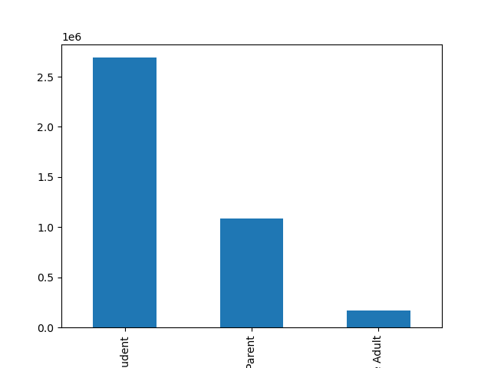
 |  |  | Title page

Visualisations

In this tab you should include all the visualtions from Exercises 4.9 and 4.10, alongside the questions from the project brief that they answer. Include any commentary on the relationship between different variables.


Bar chart - Loyalty_flag
 |  | Question: What’s the distribution among users in regards to their brand loyalty (i.e., how often do they return to Instacart)?

 |  | Bar chart explanation: 1st bar - regular 2nd bar - loyal 3rd bar - ney

 |  | Answer: They do return more frequent, compare to the frequency of new customers

 | histogram_order_hour_of_day



histogram_order_hour_of_day
 |  | Question: The sales team needs to know what the busiest days of the week and hours of the day are (i.e., the days and times with the most orders) in order to schedule ads at times when there are fewer orders.

 |  | Answer: the biggest number of orders are coming around during the working hours having a drop around 12:00, that most probably happens due to the lunch time the seconfd drop is at 18:00, and after the frequency is slowly droppping

line_age_fam_situation

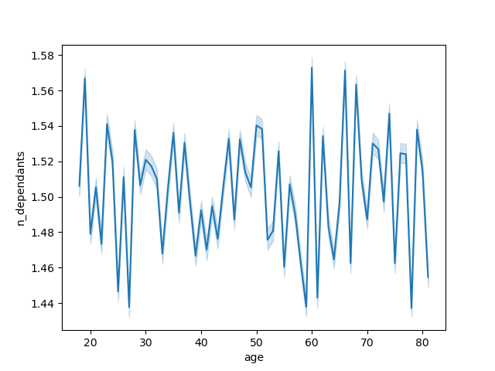
 |  | Question: Is there a connection between age and family status in terms of ordering habits?

 |  | Answer: No, I do not see any strong correlation between age and family situation.

 | line_price_hour_of_the_day
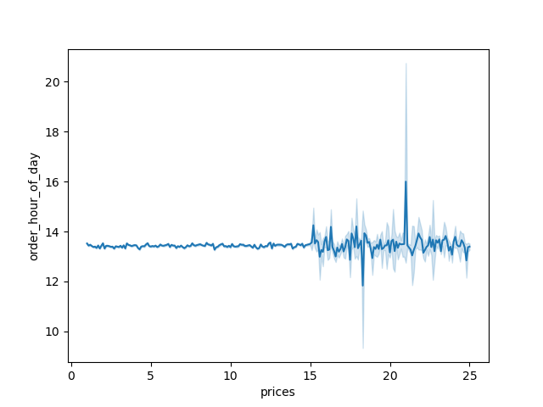

 |  | Question: They also want to know whether there are particular times of the day when people spend the most money, as this might inform the type of products they advertise at these times.

 |  | Answer: between 15 and 24

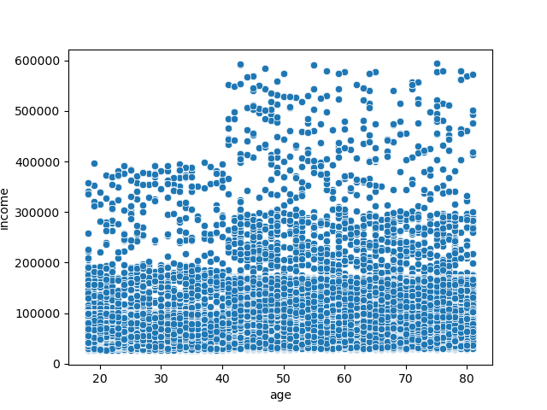

line_busy_days
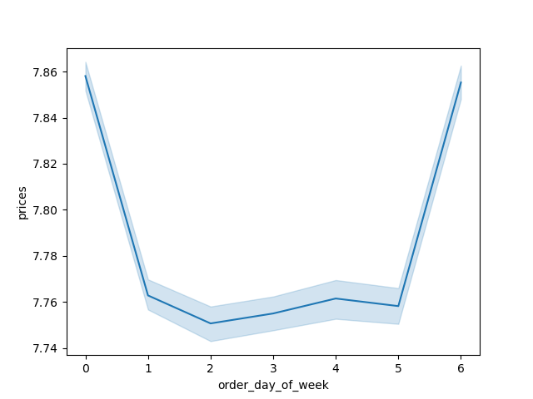

 |  | Question: The sales team needs to know what the busiest days of the week and hours of the day are (i.e., the days and times with the most orders) in order to schedule ads at times when there are fewer orders.

 |  | Answer: Busiest Days = Monday and Sunday

 | distribution_of_profiles

7. Recommendations
 |  |  | Title page

Recommendations

In this tab you should include any recommendations you would made to Instcart in terms of their marketing strategy based on the questions posed in the brief. Every key question has been covered in the Tasks of the Exercises - here you need to add an item - a visualisation or table/crosstable that is showing the answer in the data, acompanied by a comment from you. Please, list the questions below and add the answer underneath.

 | Question | Answer
1 | The sales team needs to know what the busiest days of the week and hours of the day are (i.e., the days and times with the most orders) in order to schedule ads at times when there are fewer orders. | Busiest Days = Monday and Sunday Busies hours =:the biggest number of orders are coming around during the working hours having a drop around 12:00, that most probably happens due to the lunch time the seconfd drop is at 18:00, and after the frequency is slowly droppping
2 | They also want to know whether there are particular times of the day when people spend the most money, as this might inform the type of products they advertise at these times. | between 15 and 24
3 | Instacart has a lot of products with different price tags. Marketing and sales want to use simpler price range groupings to help direct their efforts. | prices > 15 = High-range product 5> prices<= 15 = Mid-range product prices <= 5 = Low-range product NUmber of orders per group Mid-range product 21861997 Low-range product 10126366 High-range product 417678
4 | Are there certain types of products that are more popular than others? The marketing and sales teams want to know which departments have the highest frequency of product orders. | Department with the highest freuency of product = Bulk
5 | The marketing and sales teams are particularly interested in the different types of customers in their system and how their ordering behaviors differ. For example:
5.1 | What’s the distribution among users in regards to their brand loyalty (i.e., how often do they return to Instacart)? | They do return more frequent, compare to the frequency of new customers
5.2 | Are there differences in ordering habits based on a customer’s loyalty status? | Number of orders per loyal group Regular customer 15877395 Loyal customer 10284396 New customer 6244250
5.3 | Are there differences in ordering habits based on a customer’s region? | Even though, South region shows the biggest number of spenders Midwest and West have similar distribution among low and High spenders Northest shows the smallest number of spenders But I wouldnt say, that there is a big difference in spending habits among regions
5.4 | Is there a connection between age and family status in terms of ordering habits? | no
5.5 | What different classifications does the demographic information suggest? Age? Income? Certain types of goods? Family status? | Single Adult Young Parent Student
5.6 | What differences can you find in ordering habits of different customer profiles? Consider the price of orders, the frequency of orders, the products customers are ordering, and anything else you can think of. | Single adult has the highest level of spends as well as the frequency, however when we are talking about number of customers, there is the biggest number of Students

